Case Study
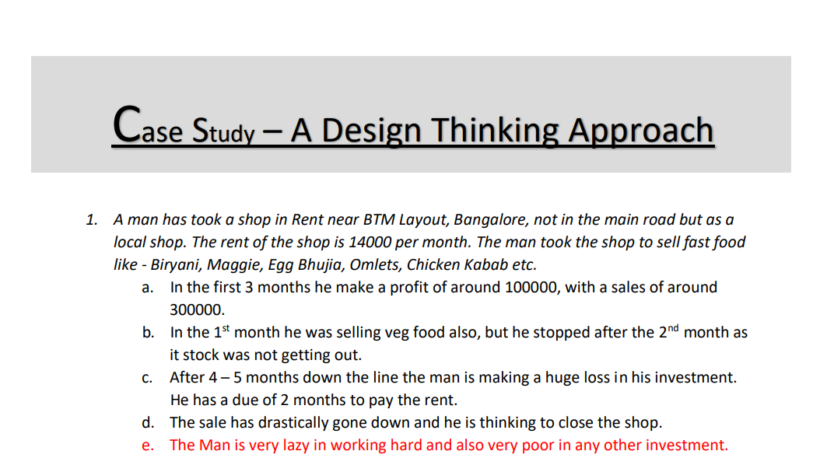

How will you tackle a situation of this kind? Write a solution to this kind of problem. Give a Fact-full answer by understanding the critical problems

Basic Data
Rent | 14000
Investment | 400000 | (Interior, Utensils, Electricity & Water Connections, Benches & Chairs)
Shop Timing | Morning 8 AM - Evening 8 PM
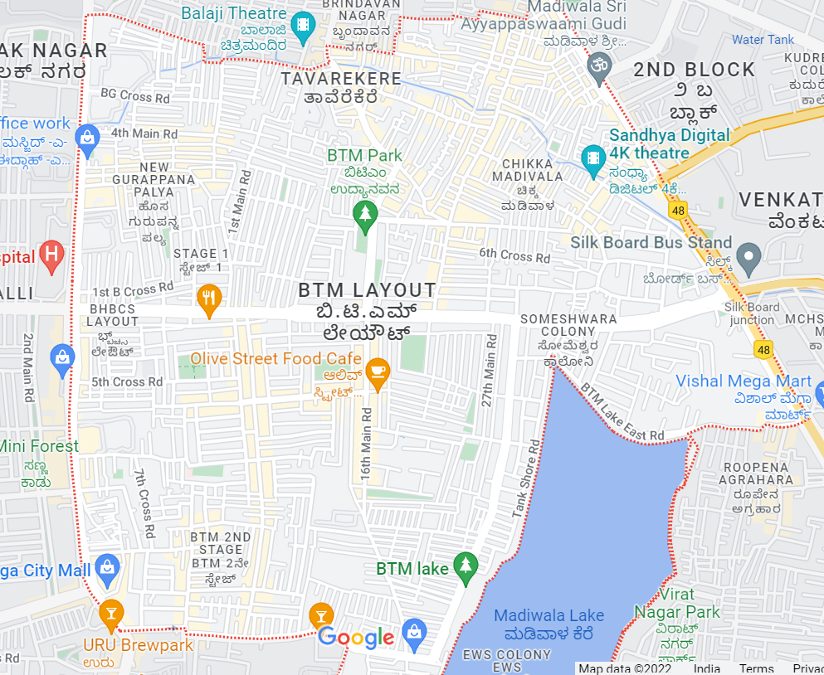
Working Days | Mon-Sat

Profit Analysis
Non Veg Food

Veg Food

Items | W1 | W2 | W3 | W4 | W5 | W6 | W7 | W8 | W9 | W10 | W11 | W12 | Total Value | Expenses | Profit
Idli Sambhar | 49 | 64 | 49 | 35 | 0 | 0 | 0 | 0 | 0 | 0 | 0 | 0 | 7880 | 3940 | 3940
Pakode | 30 | 69 | 55 | 45 | 0 | 0 | 0 | 0 | 0 | 0 | 0 | 0 | 5970 | 1990 | 3980
Biryani | 35 | 56 | 54 | 37 | 0 | 0 | 0 | 0 | 0 | 0 | 0 | 0 | 20020 | 5460 | 14560
Manchurian | 40 | 74 | 60 | 44 | 0 | 0 | 0 | 0 | 0 | 0 | 0 | 0 | 5450 | 2180 | 3270
Cutlets | 25 | 30 | 20 | 25 | 0 | 0 | 0 | 0 | 0 | 0 | 0 | 0 | 3000 | 1500 | 1500
Items | W1 | W2 | W3 | W4 | W5 | W6 | W7 | W8 | W9 | W10 | W11 | W12 | Total Value | Expenses | Profit
Egg Bhujia | 23 | 49 | 50 | 45 | 50 | 54 | 53 | 58 | 60 | 59 | 56 | 57 | 23725 | 18420 | 5305
Chicken Kabab | 45 | 60 | 69 | 72 | 70 | 67 | 52 | 67 | 59 | 70 | 54 | 62 | 58530 | 42360 | 16170
Momos | 20 | 39 | 43 | 40 | 35 | 35 | 33 | 46 | 34 | 44 | 37 | 41 | 17880 | 13410 | 4470
Biryani | 39 | 55 | 69 | 70 | 79 | 85 | 71 | 90 | 82 | 76 | 89 | 87 | 153570 | 51190 | 102380
Bhurji Pav | 0 | 0 | 0 | 0 | 35 | 44 | 42 | 23 | 40 | 37 | 31 | 50 | 7550 | 4530 | 3020
Egg Maggie | 0 | 0 | 0 | 0 | 23 | 20 | 21 | 39 | 33 | 23 | 32 | 27 | 4360 | 3270 | 1090

Next 4 Months
 | 4th Month |  |  |  |  |  |  | 5th Month |  |  |  |  |  |  | 6th Month |  |  |  |  |  |  | 7th Month |  |  |  |  |  |  | Summary
Item | W13 | W14 | W15 | W16 | Total Value | Expenses | Profit | W17 | W18 | W19 | W20 | Total Value | Expenses | Profit | W21 | W22 | W23 | W24 | Total Value | Expenses | Profit | W25 | W26 | W27 | W28 | Total Value | Expenses | Profit | Total Value | Expenses | Profit
Egg Bhujia | 25 | 38 | 27 | 23 | 4520 | 3390 | 1130 | 23 | 15 | 24 | 15 | 3080 | 2310 | 770 | 18 | 19 | 25 | 20 | 3280 | 2460 | 820 | 13 | 10 | 10 | 8 | 1640 | 1230 | 410 | 12520 | 9390 | 3130
Chicken Kabab | 29 | 36 | 20 | 20 | 8400 | 6300 | 2100 | 17 | 23 | 21 | 19 | 6400 | 4800 | 1600 | 19 | 23 | 18 | 21 | 6480 | 4860 | 1620 | 8 | 6 | 5 | 8 | 2160 | 1620 | 540 | 23440 | 17580 | 5860
Momos | 21 | 20 | 26 | 40 | 4280 | 3210 | 1070 | 25 | 25 | 23 | 16 | 3560 | 2670 | 890 | 10 | 23 | 21 | 21 | 3000 | 2250 | 750 | 7 | 6 | 9 | 5 | 1080 | 810 | 270 | 11920 | 8940 | 2980
Biryani | 40 | 40 | 24 | 30 | 24120 | 8040 | 16080 | 24 | 18 | 21 | 22 | 15300 | 5100 | 10200 | 15 | 18 | 15 | 17 | 11700 | 3900 | 7800 | 9 | 9 | 9 | 6 | 5940 | 1980 | 3960 | 57060 | 19020 | 38040
Bhurji Pav | 27 | 30 | 35 | 22 | 2850 | 1710 | 1140 | 19 | 23 | 21 | 24 | 2175 | 1305 | 870 | 15 | 17 | 19 | 21 | 1800 | 1080 | 720 | 5 | 7 | 7 | 7 | 650 | 390 | 260 | 7475 | 4485 | 2990
Egg Maggie | 21 | 35 | 38 | 31 | 2500 | 1875 | 625 | 19 | 21 | 19 | 19 | 1560 | 1170 | 390 | 15 | 25 | 20 | 21 | 1620 | 1215 | 405 | 10 | 5 | 10 | 9 | 680 | 510 | 170 | 6360 | 4770 | 1590
Non-Veg Total |  |  |  |  |  |  |  |  |  |  |  |  |  |  |  |  |  |  |  |  |  |  |  |  |  |  |  |  | 118775 | 64185 | 54590
Electricity Bill | 1800 |  |  |  |  |  |  | 2400 |  |  |  |  |  |  | 1879 |  |  |  |  |  |  | 1900 |  |  |  |  |  |  |  | 7979
Water Bill | 700 |  |  |  |  |  |  | 800 |  |  |  |  |  |  | 700 |  |  |  |  |  |  | 750 |  |  |  |  |  |  |  | 2950
Helper | 5000 |  |  |  |  |  |  | 5000 |  |  |  |  |  |  | 5000 |  |  |  |  |  |  | 5000 |  |  |  |  |  |  |  | 20000
Rent | 14000 |  |  |  |  |  |  | 14000 |  |  |  |  |  |  | Rent Overdue |  |  |  |  |  |  | Rent Overdue |  |  |  |  |  |  |  | 28000
Total in Rs. |  |  |  |  |  |  |  |  |  |  |  |  |  |  |  |  |  |  |  |  |  |  |  |  |  |  |  |  | 118775 | 123114 | -4339
 |  |  |  |  |  |  |  |  |  |  |  |  |  |  |  |  |  |  |  |  |  |  |  |  |  |  |  |  | Rent Balance |  | -28000
Profit (Monthly)
 |  |  |  |  |  |  |  |  |  |  |  |  |  |  |  |  |  |  |  |  |  |  |  |  |  |  |  |  | Total Loss |  | -32390

 | 4 | 5 | 6 | 7
Egg Bhujia | 1.13 | 0.77 | 0.82 | 0.41
Chicken Kabab | 2.1 | 1.6 | 1.62 | 0.54
Momos | 1.07 | 0.89 | 0.75 | 0.27
Biryani | 16.08 | 10.2 | 7.8 | 3.96
Bhurji Pav | 1.14 | 0.87 | 0.72 | 0.26
Egg Maggie | 0.625 | 0.39 | 0.405 | 0.17

 | 4th Month |  |  |  | 5th Month |  |  |  | 6th Month |  |  |  | 7th Month |  |  |  | Summary
Item | W13 | W14 | W15 | W16 | W17 | W18 | W19 | W20 | W21 | W22 | W23 | W24 | W25 | W26 | W27 | W28 | Total Value | Expenses | Profit
Egg Bhujia | 25 | 38 | 27 | 23 | 23 | 15 | 24 | 15 | 18 | 19 | 25 | 20 | 13 | 10 | 10 | 8 | 12520 | 9390 | 3130
Chicken Kabab | 29 | 36 | 20 | 20 | 17 | 23 | 21 | 19 | 19 | 23 | 18 | 21 | 8 | 6 | 5 | 8 | 23440 | 17580 | 5860
Momos | 21 | 20 | 26 | 40 | 25 | 25 | 23 | 16 | 10 | 23 | 21 | 21 | 7 | 6 | 9 | 5 | 11920 | 8940 | 2980
Biryani | 40 | 40 | 24 | 30 | 24 | 18 | 21 | 22 | 15 | 18 | 15 | 17 | 9 | 9 | 9 | 6 | 57060 | 19020 | 38040
Bhurji Pav | 27 | 30 | 35 | 22 | 19 | 23 | 21 | 24 | 15 | 17 | 19 | 21 | 5 | 7 | 7 | 7 | 7475 | 4485 | 2990
Egg Maggie | 21 | 35 | 38 | 31 | 19 | 21 | 19 | 19 | 15 | 25 | 20 | 21 | 10 | 5 | 10 | 9 | 6360 | 4770 | 1590
Non-Veg Total |  |  |  |  |  |  |  |  |  |  |  |  |  |  |  |  | 118775 | 64185 | 54590
Electricity Bill | 1800 |  |  |  | 2400 |  |  |  | 1879 |  |  |  | 1900 |  |  |  |  | 7979
Water Bill | 700 |  |  |  | 800 |  |  |  | 700 |  |  |  | 750 |  |  |  |  | 2950
Helper | 5000 |  |  |  | 5000 |  |  |  | 5000 |  |  |  | 5000 |  |  |  |  | 20000
Rent | 14000 |  |  |  | 14000 |  |  |  | Rent Overdue |  |  |  | Rent Overdue |  |  |  |  | 28000
Total in Rs. |  |  |  |  |  |  |  |  |  |  |  |  |  |  |  |  | 118775 | 123114 | -4339
 |  |  |  |  |  |  |  |  |  |  |  |  |  |  |  |  | Rent Balance |  | -28000
 |  |  |  |  |  |  |  |  |  |  |  |  |  |  |  |  | Total Loss |  | -32390

Loss Analysis
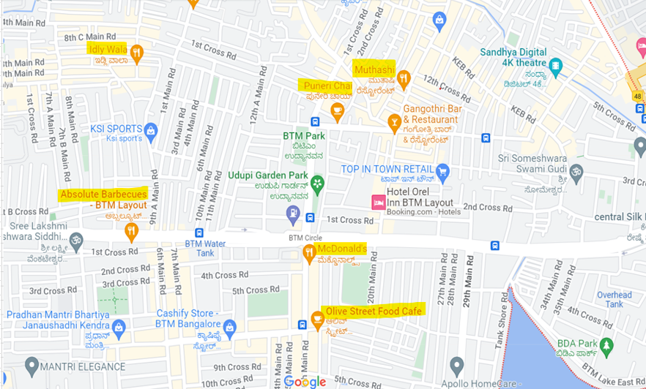
Possible reasons for a Loss :

Stoppage of Veg food Selling
Not Expansion on Business (Exp. Online orders, Deliveries Etc)
Non accepting Orders throught Food order and delivery apps
Various shops opening nearby
Lazyness Of Owner

Solutions
Try to Start making prime Veg foods available
Expand the business with accepting on call food deliveries
Accepting Online deliveries from Food Apps like zomato, swiggy
Try to amaze customers with price discounts and variety of food
Try to serve the foods along the locally popular drinks. (Ex. Chai, Lassi etc.)
Being more Enthusiastic and energetic during work hours
Ensure proper lighting, Cleanliness and Interior within shop

After Solution
Order Qty (Weekly)
 | 8th Month |  |  |  | 9th Month
Item | W29 | W30 | W31 | W32 | W33 | W34 | W35 | W36 | Total Value | Expenses | Profit
Egg Bhujia | 36 | 39 | 35 | 32 | 42 | 40 | 42 | 42 | 10780 | 9240 | 1540
Chicken Kabab | 46 | 42 | 43 | 45 | 59 | 62 | 61 | 54 | 32960 | 24720 | 8240
Momos | 46 | 50 | 42 | 42 | 65 | 58 | 59 | 57 | 16760 | 12570 | 4190
Biryani | 41 | 49 | 39 | 52 | 55 | 51 | 55 | 63 | 72900 | 24300 | 48600
Bhurji Pav | 39 | 32 | 40 | 31 | 55 | 47 | 42 | 48 | 6680 | 5010 | 1670
Egg Maggie | 40 | 30 | 30 | 32 | 43 | 52 | 42 | 40 | 6180 | 4635 | 1545
Non-Veg Total |  |  |  |  |  |  |  |  | 146260 | 80475 | 65785
Electricity Bill | 1500 |  |  |  | 1450 |  |  |  |  | 2950
Water Bill | 500 |  |  |  | 600 |  |  |  |  | 1100
Helper | 0 |  |  |  | 5000 |  |  |  |  | 5000
Rent | 14000 |  |  |  | 14000 |  |  |  |  | 28000
Total in Rs. |  |  |  |  |  |  |  |  | 146260 | 117525 | 28735

